Custom Sort
Segment | Country | Profit |  | Sort as per conditions and Copy paste the results, by adding a new sheet in this file. Plus Paste Screenshots of Sort Box.
Channel Partners | Canada | -14202 |  | 1. Sort Segment, inside each segment Country should be sorted, with sorted profit for each country Low to high.(Use Custom Sort)
Channel Partners | Canada | 17043
Channel Partners | Canada | 55010
Channel Partners | Canada | 60394 | Sort Box
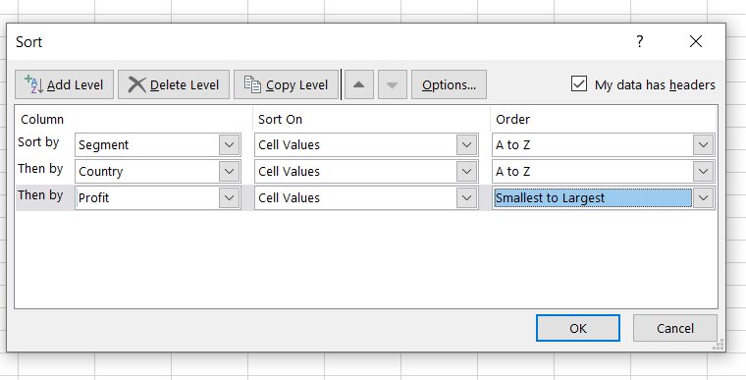
Channel Partners | Canada | 166490
Channel Partners | Canada | 196137
Channel Partners | Canada | 219249
Channel Partners | Canada | 232472
Channel Partners | France | 39271
Channel Partners | France | 60921
Channel Partners | France | 87532
Channel Partners | France | 89649
Channel Partners | France | 112636
Channel Partners | France | 195638
Channel Partners | France | 211082
Channel Partners | France | 223042
Channel Partners | France | 258051
Channel Partners | France | 258583
Channel Partners | Germany | 55433
Channel Partners | Germany | 61230
Channel Partners | Germany | 74022
Channel Partners | Germany | 87460
Channel Partners | Germany | 114470
Channel Partners | Germany | 223894
Channel Partners | Germany | 247904
Channel Partners | Germany | 256329
Channel Partners | Mexico | 18670
Channel Partners | Mexico | 155535
Channel Partners | Mexico | 208038
Channel Partners | Mexico | 219148
Channel Partners | Mexico | 232025
Channel Partners | Mexico | 242254
Channel Partners | United States of America | 6345
Channel Partners | United States of America | 30219
Channel Partners | United States of America | 41318
Channel Partners | United States of America | 59920
Channel Partners | United States of America | 74093
Channel Partners | United States of America | 124717
Channel Partners | United States of America | 142874
Channel Partners | United States of America | 152936
Channel Partners | United States of America | 189847
Channel Partners | United States of America | 192728
Channel Partners | United States of America | 201120
Channel Partners | United States of America | 252080
Enterprise | Canada | 23560
Enterprise | Canada | 34080
Enterprise | Canada | 40778
Enterprise | Canada | 99343
Enterprise | Canada | 104422
Enterprise | Canada | 161110
Enterprise | France | 12709
Enterprise | France | 26819
Enterprise | France | 42319
Enterprise | France | 57755
Enterprise | France | 71529
Enterprise | France | 109849
Enterprise | France | 164464
Enterprise | France | 180969
Enterprise | France | 210352
Enterprise | France | 236531
Enterprise | Germany | 7269
Enterprise | Germany | 19002
Enterprise | Germany | 23010
Enterprise | Germany | 36547
Enterprise | Germany | 124153
Enterprise | Germany | 126174
Enterprise | Germany | 220591
Enterprise | Mexico | 1696
Enterprise | Mexico | 13845
Enterprise | Mexico | 27849
Enterprise | Mexico | 75634
Enterprise | Mexico | 86220
Enterprise | Mexico | 91931
Enterprise | Mexico | 157993
Enterprise | Mexico | 173199
Enterprise | United States of America | 28110
Enterprise | United States of America | 75969
Enterprise | United States of America | 198140
Government | Canada | 7819
Government | Canada | 8406
Government | Canada | 17150
Government | Canada | 24838
Government | Canada | 27137
Government | Canada | 32352
Government | Canada | 36125
Government | Canada | 51626
Government | Canada | 55991
Government | Canada | 59423
Government | Canada | 63494
Government | Canada | 64755
Government | Canada | 86186
Government | Canada | 105602
Government | Canada | 134977
Government | Canada | 135311
Government | Canada | 137705
Government | Canada | 155266
Government | Canada | 159745
Government | Canada | 166824
Government | Canada | 180474
Government | Canada | 213069
Government | Canada | 217962
Government | Canada | 222162
Government | Canada | 240648
Government | Canada | 244904
Government | France | 7110
Government | France | 7190
Government | France | 7382
Government | France | 9682
Government | France | 23250
Government | France | 25467
Government | France | 28289
Government | France | 35096
Government | France | 44394
Government | France | 48442
Government | France | 86142
Government | France | 89802
Government | France | 96209
Government | France | 115261
Government | France | 134107
Government | France | 135801
Government | France | 137843
Government | France | 142596
Government | France | 146394
Government | France | 151301
Government | France | 165656
Government | France | 165992
Government | France | 173616
Government | France | 201069
Government | France | 210276
Government | France | 234786
Government | Germany | -21877
Government | Germany | 6105
Government | Germany | 8950
Government | Germany | 16452
Government | Germany | 24879
Government | Germany | 56810
Government | Germany | 72086
Government | Germany | 74813
Government | Germany | 81048
Government | Germany | 86843
Government | Germany | 95623
Government | Germany | 104379
Government | Germany | 151084
Government | Germany | 155904
Government | Germany | 158679
Government | Germany | 161532
Government | Germany | 168122
Government | Germany | 169991
Government | Germany | 200584
Government | Germany | 210209
Government | Germany | 247286
Government | Mexico | -37886
Government | Mexico | 5652
Government | Mexico | 8463
Government | Mexico | 9630
Government | Mexico | 19225
Government | Mexico | 22003
Government | Mexico | 22810
Government | Mexico | 34334
Government | Mexico | 39668
Government | Mexico | 65162
Government | Mexico | 73163
Government | Mexico | 82968
Government | Mexico | 86460
Government | Mexico | 108879
Government | Mexico | 131983
Government | Mexico | 138473
Government | Mexico | 150851
Government | Mexico | 169915
Government | Mexico | 190517
Government | Mexico | 191733
Government | Mexico | 194150
Government | Mexico | 203878
Government | Mexico | 209590
Government | Mexico | 217075
Government | Mexico | 220171
Government | Mexico | 230726
Government | Mexico | 235104
Government | Mexico | 259896
Government | United States of America | -34980
Government | United States of America | -15140
Government | United States of America | -7921
Government | United States of America | 5850
Government | United States of America | 6256
Government | United States of America | 10877
Government | United States of America | 13179
Government | United States of America | 25860
Government | United States of America | 26172
Government | United States of America | 27327
Government | United States of America | 52513
Government | United States of America | 67090
Government | United States of America | 74221
Government | United States of America | 81846
Government | United States of America | 84660
Government | United States of America | 103592
Government | United States of America | 123287
Government | United States of America | 129328
Government | United States of America | 139432
Government | United States of America | 154630
Government | United States of America | 156072
Government | United States of America | 161165
Government | United States of America | 173392
Government | United States of America | 175220
Government | United States of America | 191293
Government | United States of America | 193691
Government | United States of America | 207031
Government | United States of America | 214102
Government | United States of America | 223295
Government | United States of America | 229218
Government | United States of America | 242971
Government | United States of America | 244284
Government | United States of America | 249705
Government | United States of America | 261354
Midmarket | Canada | 8721
Midmarket | Canada | 12909
Midmarket | Canada | 22305
Midmarket | Canada | 36046
Midmarket | Canada | 40179
Midmarket | Canada | 47888
Midmarket | Canada | 173334
Midmarket | Canada | 187979
Midmarket | Canada | 225220
Midmarket | Canada | 229197
Midmarket | Canada | 252387
Midmarket | France | 259
Midmarket | France | 11682
Midmarket | France | 25301
Midmarket | France | 51383
Midmarket | France | 57399
Midmarket | France | 86076
Midmarket | France | 95791
Midmarket | France | 100956
Midmarket | France | 117440
Midmarket | France | 128249
Midmarket | France | 139728
Midmarket | France | 147727
Midmarket | France | 159478
Midmarket | France | 176652
Midmarket | France | 231047
Midmarket | France | 254580
Midmarket | Germany | 6460
Midmarket | Germany | 20238
Midmarket | Germany | 22746
Midmarket | Germany | 29435
Midmarket | Germany | 53266
Midmarket | Germany | 133951
Midmarket | Germany | 135272
Midmarket | Germany | 145328
Midmarket | Germany | 188860
Midmarket | Germany | 193122
Midmarket | Germany | 208053
Midmarket | Mexico | 5187
Midmarket | Mexico | 12894
Midmarket | Mexico | 15238
Midmarket | Mexico | 22839
Midmarket | Mexico | 33850
Midmarket | Mexico | 78549
Midmarket | Mexico | 130275
Midmarket | Mexico | 155980
Midmarket | Mexico | 201340
Midmarket | Mexico | 213879
Midmarket | Mexico | 216555
Midmarket | United States of America | -39689
Midmarket | United States of America | 1661
Midmarket | United States of America | 54633
Midmarket | United States of America | 85536
Midmarket | United States of America | 93656
Midmarket | United States of America | 98246
Midmarket | United States of America | 163127
Midmarket | United States of America | 216695
Small Business | Canada | -11610
Small Business | Canada | 48808
Small Business | Canada | 100486
Small Business | Canada | 111998
Small Business | Canada | 216458
Small Business | Canada | 256402
Small Business | France | 1519
Small Business | France | 13328
Small Business | France | 73394
Small Business | France | 82089
Small Business | France | 185869
Small Business | Germany | 1365
Small Business | Germany | 6845
Small Business | Germany | 17711
Small Business | Germany | 39973
Small Business | Germany | 102572
Small Business | Germany | 121986
Small Business | Germany | 132363
Small Business | Germany | 160752
Small Business | Mexico | 7298
Small Business | Mexico | 11238
Small Business | Mexico | 27542
Small Business | Mexico | 33876
Small Business | Mexico | 39494
Small Business | Mexico | 96983
Small Business | Mexico | 130437
Small Business | Mexico | 149617
Small Business | Mexico | 166353
Small Business | Mexico | 219774
Small Business | Mexico | 226327
Small Business | Mexico | 239368
Small Business | Mexico | 244677
Small Business | United States of America | 8675
Small Business | United States of America | 12156
Small Business | United States of America | 60882
Small Business | United States of America | 110965
Small Business | United States of America | 125616
Small Business | United States of America | 152076
Small Business | United States of America | 174302
Small Business | United States of America | 175018
Small Business | United States of America | 221658
Small Business | United States of America | 245470
Small Business | United States of America | 248756

Filter Result
Sort as per conditions and Copy paste the results, by adding a new sheet in this file. Plus Paste Screenshots of Text and Date filters (wherever necessary)
1. Filter all the Country name starts with letter "F"
2. Filter the data in Quarter 3
 |  |  |  |  | Text Filter | Date Filter
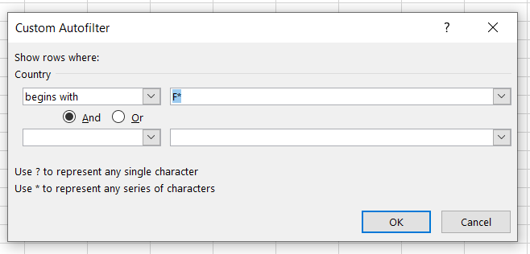
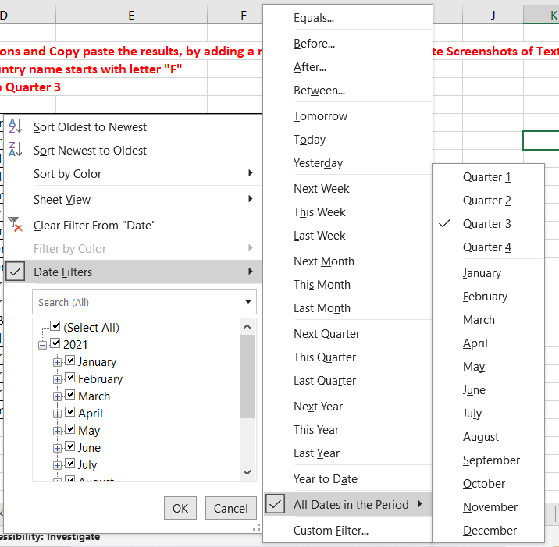
5 | Government | France | 2021-09-01 | 135801
25 | Channel Partners | France | 2021-09-01 | 60921
31 | Channel Partners | France | 2021-08-01 | 87532
34 | Midmarket | France | 2021-07-01 | 57399
57 | Government | France | 2021-07-01 | 96209
99 | Midmarket | France | 2021-09-01 | 147727
100 | Enterprise | France | 2021-08-01 | 109849
113 | Enterprise | France | 2021-07-01 | 26819
138 | Government | France | 2021-07-01 | 44394
151 | Government | France | 2021-07-01 | 173616
168 | Small Business | France | 2021-07-01 | 185869
207 | Channel Partners | France | 2021-09-01 | 258051
248 | Government | France | 2021-07-01 | 89802
249 | Government | France | 2021-08-01 | 23250
257 | Government | France | 2021-08-01 | 7382
311 | Midmarket | France | 2021-07-01 | 176652

Line Chart
 |  | Create Line Chart with Proper formatting
Row Labels | Sum of Revenue'000 | Should be formatted as shown in picture
1990 | 2156
1991 | 3562 | Date | Revenue'000
Revenue'000
1992 | 7506 | 1990 | ₹ 2,156
1993 | 6258 | 1991 | ₹ 3,562
1994 | 6279 | 1992 | ₹ 7,506
1995 | 1963 | 1993 | ₹ 6,258
1996 | 6736 | 1994 | ₹ 6,279
1997 | 3280 | 1995 | ₹ 1,963
1998 | 8398 | 1996 | ₹ 6,736
1999 | 2882 | 1997 | ₹ 3,280
2000 | 4686 | 1998 | ₹ 8,398
2001 | 6976 | 1999 | ₹ 2,882
2002 | 2173 | 2000 | ₹ 4,686
2003 | 2166 | 2001 | ₹ 6,976
2004 | 8418 | 2002 | ₹ 2,173
Grand Total | 73439 | 2003 | ₹ 2,166
 |  | 2004 | ₹ 8,418

Combo Chart
Create Combo Chart with Proper formatting
Should be formatted as shown in picture

Combo Chart
 | Revenue'000 | %
2005 | $528
2006 | $4,550 | 7%
2007 | $8,189 | 17%
2008 | $1,730 | 19%
2009 | $5,262 | 26%
2010 | $2,172 | 29%
2011 | $4,384 | 35%
2012 | $8,709 | 46%
2013 | $3,618 | 51%
2014 | $6,372 | 59%
2015 | $3,456 | 63%
2016 | $7,478 | 73%
2017 | $4,649 | 79%
2018 | $5,831 | 86%
2019 | $1,599 | 89%
2020 | $3,695 | 93%
2021 | $1,678 | 95%
2022 | $3,490 | 100%
Date | Revenue'000 | Running Total | %
2005 | $528
2006 | $4,550 | 5,078.00 | 7%
2007 | $8,189 | 13,267.00 | 17%
2008 | $1,730 | 14,997.00 | 19%
2009 | $5,262 | 20,259.00 | 26%
2010 | $2,172 | 22,431.00 | 29%
2011 | $4,384 | 26,815.00 | 35%
2012 | $8,709 | 35,524.00 | 46%
2013 | $3,618 | 39,142.00 | 51%
2014 | $6,372 | 45,514.00 | 59%
2015 | $3,456 | 48,970.00 | 63%
2016 | $7,478 | 56,448.00 | 73%
2017 | $4,649 | 61,097.00 | 79%
2018 | $5,831 | 66,928.00 | 86%
2019 | $1,599 | 68,527.00 | 89%
2020 | $3,695 | 72,222.00 | 93%
2021 | $1,678 | 73,900.00 | 95%
2022 | $3,490 | 77,390.00 | 100%

Total | $77,390

UserForm
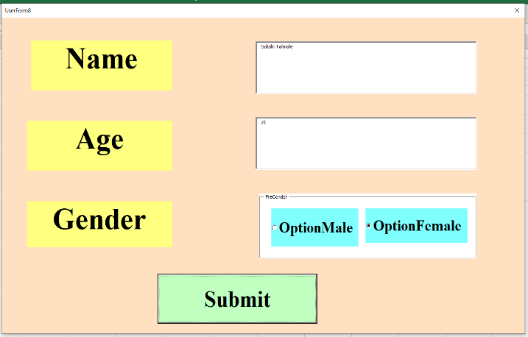
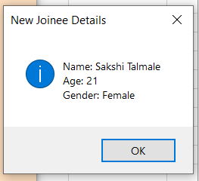
Create a form which captures New Joinee Details (Name,Age,Gender) and display the details on msgbox
Note: Assign a Macro to a 'Submit' Button

Shipment Mode
Shipment Mode
Row Labels | Count of Order ID
Delivery Truck | 275
Express Air | 240
Regular Air | 1437
Grand Total | 1952

Top 5 Profitable states
Top 5 Profitable States
Row Labels | Sum of Profit
Oregon | 17931.0434
Ohio | 23410.842026
New York | 27611.943319
Texas | 28078.85066
California | 37421.960192
Grand Total | 134454.6396

Top 10 most Profitable Cities
Top 10 most Profitable Cities
Row Labels | Sum of Profit
Washington | 11677.3631
Thornton | 9300.3401
New City | 9243.2577
Harrison | 8839.22946
Greenville | 8658.95058
Los Angeles | 7865.83718
Woodburn | 7495.061
Cincinnati | 7257.76
Bangor | 7139.13015
Steubenville | 6621.002
Grand Total | 84097.93127

Top 3 least Profitable Product
Top 3 least Profitable product
Row Labels | Sum of Profit
5165 | -12548.9461
Okidata Pacemark 4410N Wide Format Dot Matrix Printer | -10999.533192
Polycom ViewStation™ ISDN Videoconferencing Unit | -27621.245408
Grand Total | -51169.7247

Dashboard
Dashboard

Shipment Mode
 | Total
Delivery Truck | 275
Express Air | 240
Regular Air | 1437
Top 5 Profitable States
 | Total
Oregon | 17931.0434
Ohio | 23410.842026
New York | 27611.943319
Texas | 28078.85066
California | 37421.960192

Top 3 least Profitable product
 | Total
5165 | -12548.9461
Okidata Pacemark 4410N Wide Format Dot Matrix Printer | -10999.533192
Polycom ViewStation™ ISDN Videoconferencing Unit | -27621.245408
Top 10 most Profitable Cities
 | Total
Washington | 11677.3631
Thornton | 9300.3401
New City | 9243.2577
Harrison | 8839.22946
Greenville | 8658.95058
Los Angeles | 7865.83718
Woodburn | 7495.061
Cincinnati | 7257.76
Bangor | 7139.13015
Steubenville | 6621.002

